Current and Planned Capacity
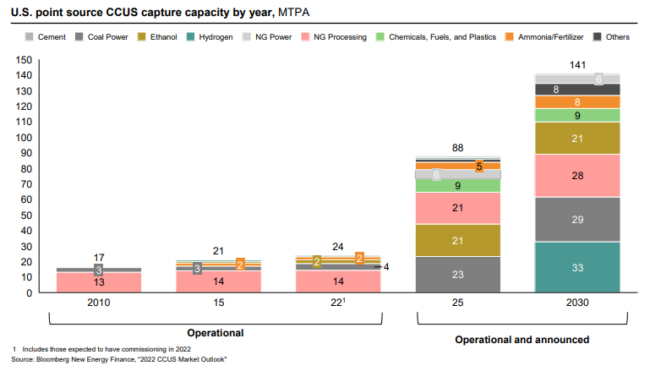
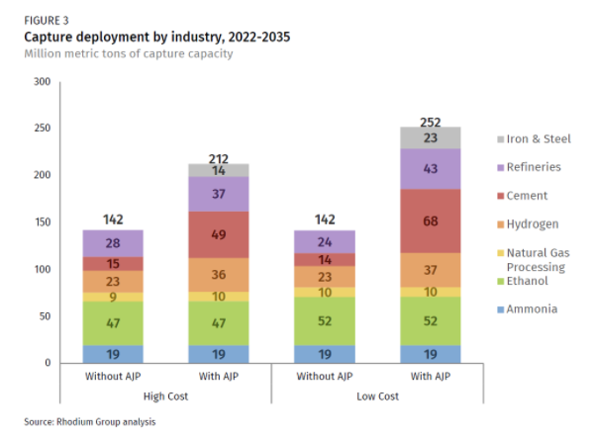
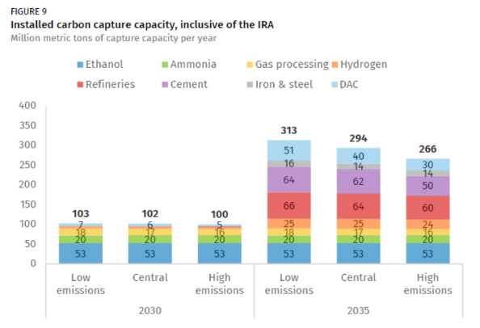

The potentials below use the "Without AJP" values from Figure 3 above and are presented as MMT of capture capacity.
 | 2022 | 2030 | 2035
agriculture and forestry 01T03
coal mining 05
oil and gas extraction 06
other mining and quarrying 07T08
food beverage and tobacco 10T12
textiles apparel and leather 13T15
wood products 16
pulp paper and printing 17T18
refined petroleum and coke 19 | 0 | 0 | 24 | *mapped to energy-related emissions rather than process emissions, since CCS equipment is installed on crackers
chemicals 20 | 2 | 47 | 52
rubber and plastic products 22
glass and glass products 231
cement and other nonmetallic minerals 239 | 0 | 0 | 14
iron and steel 241 | 0 | 0 | 0
other metals 242
metal products except machinery and vehicles 25
computers and electronics 26
appliances and electrical equipment 27
other machinery 28
road vehicles 29
nonroad vehicles 30
other manufacturing 31T33
energy pipelines and gas processing 352T353 | 14 | 14 | 14
water and waste 36T39
construction 41T43

Total |  | 61 | 104 | *hydrogen not mapped to any industry, as this is handled separately in the EPS hydrogen sector

